工作表2
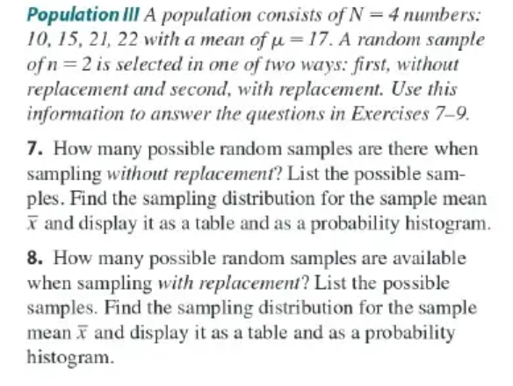
CH07.02_07,8,9
 |  |  |  |  |  |  |  |  |  |  |  |  |  |  |  | _ | _ | 8 |  |  |  |  | 9
 |  |  |  |  |  |  |  |  |  |  |  |  |  | sample | sample values | x | p(x) |  | n=2 |  |  |  | Yes
 |  |  |  |  |  |  |  |  |  |  |  |  |  |  |  |  |  |  | 10,10 | 10,15 | 10,21 | 10,22
 |  |  |  |  |  |  |  |  |  |  |  |  |  | 1 | 10,15 | 12.5 | 0.17 |  | 15,10 | 15,15 | 15,21 | 15,22
 |  |  |  |  |  |  |  |  |  |  |  |  |  | 2 | 10,21 | 15.5 | 0.17 |  | 21,10 | 21,15 | 21,21 | 21,22
 |  |  |  |  |  |  | 7. | Data |  | n=2 |  |  |  | 3 | 10,22 | 16 | 0.17 |  | 22,10 | 22,15 | 22,21 | 22,22
 |  |  |  |  |  |  |  | 10 |  | 10,15 | 10,21 | 10,22 |  | 4 | 15,21 | 18 | 0.17
 |  |  |  |  |  |  |  | 15 |  | 15,10 | 15,21 | 15,22 |  | 5 | 15,22 | 18.5 | 0.17
 |  |  |  |  |  |  |  | 21 |  | 21,10 | 21,15, | 21,22 |  | 6 | 21,22 | 21.5 | 0.17 |  |  |  | _ | _
 |  |  |  |  |  |  |  | 22 |  | 22,10 | 22,15 | 22,21 |  |  |  |  |  |  | sample | sample values | x | p(x)
p(x)
 | _
12.5 | 0.17
15.5 | 0.17
16 | 0.17
18 | 0.17
18.5 | 0.17
21.5 | 0.17
 |  |  |  |  |  |  |  |  |  |  |  |  |  |  | u= | 17
 |  |  |  |  |  |  |  |  |  |  |  |  |  |  |  |  |  |  | 1 | 10,10 | 10 | 0.06
 |  |  |  |  |  |  |  |  |  |  |  |  |  |  |  |  |  |  | 2 | 10,15 | 12.5 | 0.13
 |  |  |  |  |  |  |  |  |  |  |  |  |  |  |  |  |  |  | 3 | 15,15 | 15 | 0.06
 |  |  |  |  |  |  |  |  |  |  |  |  |  |  |  |  |  |  | 4 | 10,21 | 15.5 | 0.13
 |  |  |  |  |  |  |  |  |  |  |  |  |  |  |  |  |  |  | 5 | 10,22 | 16 | 0.13
 |  |  |  |  |  |  |  |  |  |  |  |  |  |  |  |  |  |  | 6 | 15,21 | 18 | 0.13
 |  |  |  |  |  |  |  |  |  |  |  |  |  |  |  |  |  |  | 7 | 15,22 | 18.5 | 0.13
 |  |  |  |  |  |  |  |  |  |  |  |  |  |  |  |  |  |  | 8 | 21,21 | 21 | 0.06
 |  |  |  |  |  |  |  |  |  |  |  |  |  |  |  |  |  |  | 9 | 21,22 | 21.5 | 0.13
CH07.03_15 |  |  |  |  |  |  |  |  |  |  |  |  |  |  |  |  |  |  | 10 | 22,22 | 22 | 0.0625

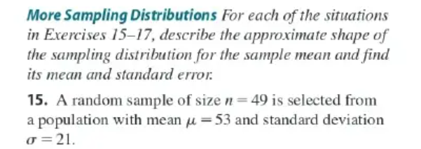
 | p(x)
10 | 0.06
12.5 | 0.13
15 | 0.06
15.5 | 0.13
16 | 0.13
18 | 0.13
18.5 | 0.13
21 | 0.06
21.5 | 0.13
22 | 0.06
 |  |  |  |  |  |  |  |  |  |  |  |  |  |  |  |  |  |  |  |  | u= | 17

 | _
 | x= | 53
 | standard error= |  | =21/7 | 3

CH07.03_23
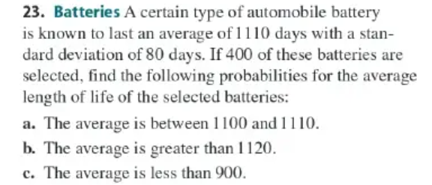

 |  |  |  | a. |  |  |  | b. |  | c.
 | u= | 1110 |  | P(1100<x<1110)= |  |  |  | P(x>1120)= |  | P(x<900)= | P(z<-52.5)= |  | 0
 | σ= | 80 |  | -2.5
 | n= | 400 |  | 0 |  |  |  | P(z>2.5)= | 0.5+0.4938 |  | -210
standard error= |  | 4 |  | P(-2.5<z<0)= |  | 0.5-0.0062 |  | = | 0.9938 |  | -52.5
 |  |  |  |  | = | 0.4938

CH07.05_28

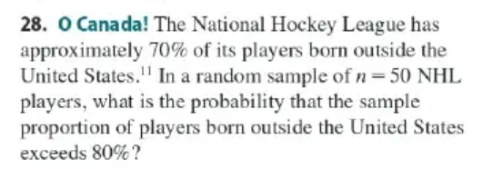

 | p= | 0.7 |  | σ= | 3.2403703492
 | n= | 50 |  |  |  | 0.064807406984
 | p(x>0.8)= | p(z>1.54)= | 0.4129

 | z= | 1.5430334996

CH07.05_31
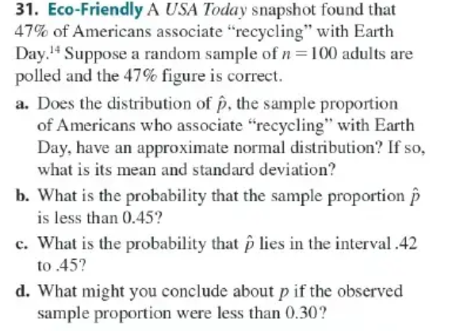

 |  |  |  |  |  |  |  |  |  |  |  |  | a.
 |  |  |  |  |  |  |  |  |  |  |  |  | u= | 0.47
 |  |  |  |  |  |  |  |  |  |  |  |  | σ^2= | npq= | 24.91
 |  |  |  |  |  |  |  |  |  |  |  |  | σ= | 5.0
 |  |  |  |  |  |  |  |  |  |  |  |  | b.
 |  |  |  |  |  |  |  |  |  |  |  |  | P(x<0.45)=P(z<-0.4)= |  | 0.3446

 |  |  |  |  |  |  |  |  |  |  |  |  | 0.049909918854 | -0.40072194985

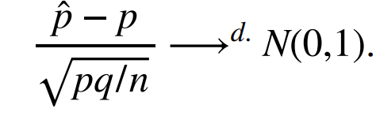

 |  |  |  |  |  |  | c. | P(0.42<x<0.45)=P(-1<z<-0.4)
 |  |  |  |  |  |  | = | 0.1859
 |  |  |  |  |  |  |  | 0.049909918854 | -1.0018048746

 |  |  |  |  |  |  | d. | P(x<0.3)=P(z<-3.4)= |  | 0.0003
 |  |  |  |  |  |  | 0.049909918854 | -3.4061365737

CH08.02_25
CH08.02_26


 |  |  |  |  |  |  |  |  | u= | 1020
 |  |  |  |  |  |  |  |  | s= | 90 |  | 7.7459666924
 |  |  |  |  |  |  |  |  | n=60 | Margin of error= |  | + & - | 22.773142076

 |  |  |  |  |  |  |  |  | p= | 0.65289256198 |  | n=121 | pq= | 0.22662386449 | 0.043277297743

 |  |  |  |  |  |  |  |  |  |  |  | margin of error | 8%

Ch08.03_17
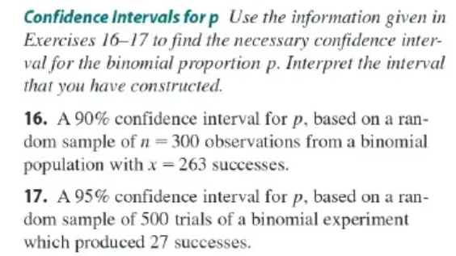

 |  |  |  |  |  |  |  |  |  |  | n= | 500
 |  |  |  |  |  |  |  |  |  |  | p= | 0.054
 |  |  |  |  |  |  |  |  |  |  | q= | 0.946
 |  |  |  |  |  |  |  |  | 0.010107818756
 |  |  |  |  |  |  |  | 2%

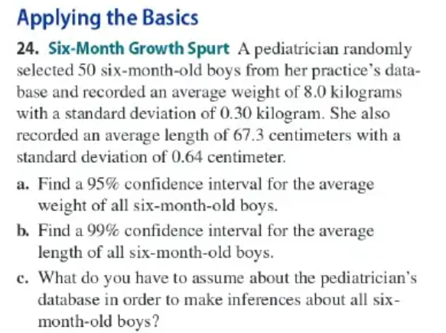
CH08.03_24 |  |  |  |  |  |  |  | n= | 50
 |  |  |  |  |  |  |  | weight |  |  | height
 |  |  |  |  |  |  |  | u= | 8 |  | u= | 67.3
 |  |  |  |  |  |  |  | σ= | 0.3 |  | σ= | 0.64
 |  |  |  |  |  |  |  |  | 0.042426406871 |  |  | 0.090509667992
 |  |  |  |  |  |  |  | 0.08 |  |  | 0.23
 |  |  |  |  |  |  |  | 49.92 | ~50.08 | kg | 67.07 | ~67.5 | cm

 |  |  |  |  |  |  |  | c

